Figure S1
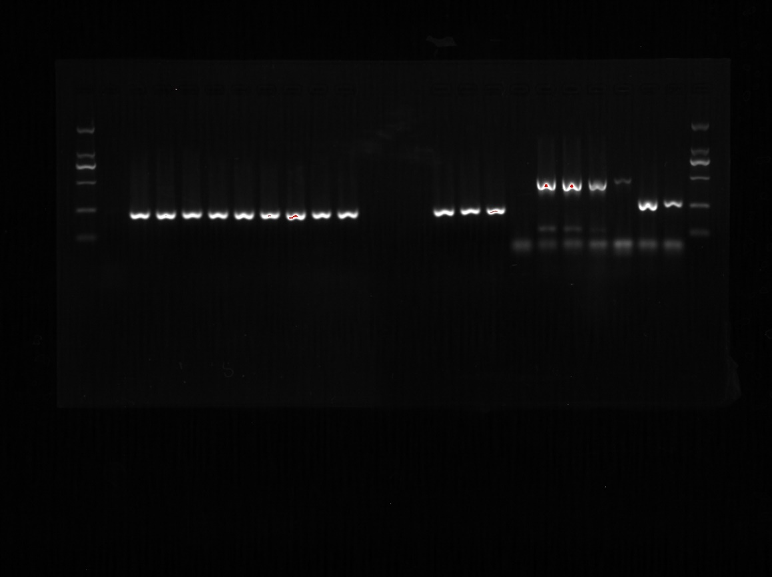
Figure S1 BCSP 31 PCR and AMOS-PCR detected two strains in the present study.

Figure S2
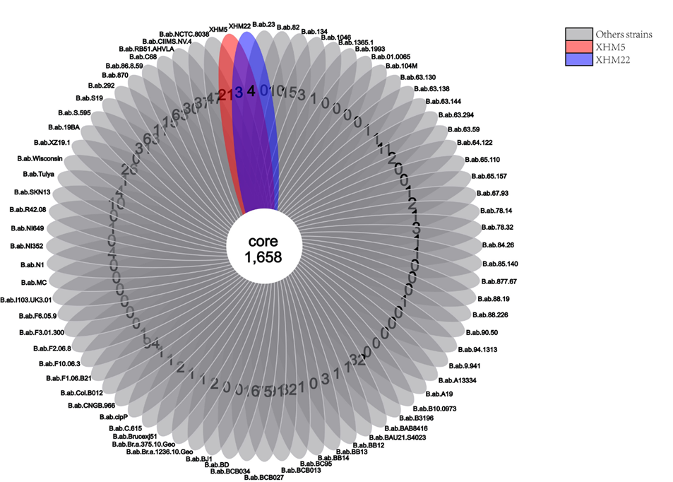
Figure S2 The Venn diagram of core gene in this study strains against 74 other compared strains

Figure S4
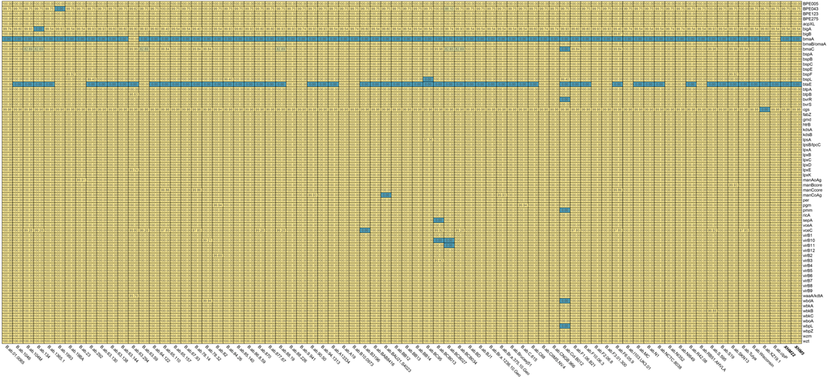
Figure S4 Heatmap depicting the distribution trait of virulence associate genes among the strains used in this study. Note: Numbers in each cell represent the percentage similarity of the nucleotides of each virulence gene with those of the reference strain 2308. (Note: strains from this study were marked with the bold).

